2019 Gold Sets
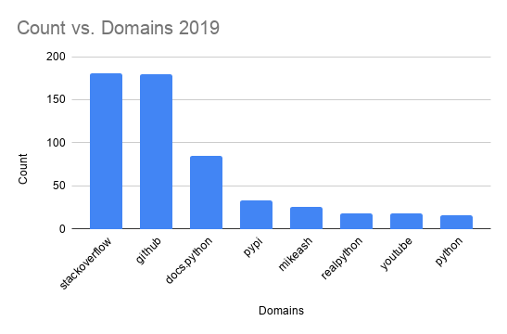
We examine every 10 responses/domain | Define whether we think the responses given after a URL suggestion was positive, negative, or neutral | Starts at Post# 2 |  | Was the response immeadately after the message with the domain relevant? |  | Did the script accurately identify domains?
Post# | Our Postitive (P), Negative (N), or Neutral (N2) | Computer's Sentiment Analysis (Positive, Negative, Neutral) | Comparison (comparing columns C & E) 1= MATCH 0 = NON-MATCH | Response relevancy? (yes/no) |  | Accuracy of Domains (Yes/No)
1 | N2 | N2 | 1 | No |  | No
10 | N | N2 | 0 | Yes |  | Yes
20 | N2 | P | 0 | No |  | No
30 | P | N2 | 0 | Yes |  | No
40 | N | P | 0 | No |  | Yes
50 | N2 | N2 | 1 | No |  | Yes
60 | N2 | P | 0 | Yes |  | Yes
70 | N2 | N2 | 1 | Yes |  | No
80 | N2 | N2 | 1 | No |  | Yes
90 | N2 | N2 | 1 | Yes |  | Yes
100 | N | P | 0 | Yes |  | Yes
110 | N | N2 | 0 | No |  | Yes
120 | N2 | P | 0 | Yes |  | Yes
130 | P | P | 1 | Yes |  | Yes
140 | N2 | N2 | 1 | Yes |  | Yes
150 | N2 | N2 | 1 | Yes |  | Yes
160 | N2 | N | 0 | Yes |  | Yes
170 | P | P | 1 | Yes |  | Yes
180 | N | N2 | 0 | Yes |  | Yes
190 | N2 | N2 | 1 | Yes |  | Yes
 |  | ACCURACY of all = | 0.5 | ACCURACY = | 0.7 | ACCURACY = | 0.8
 |  | ACCURACY of relavent = | 0.5

2018 Gold Sets
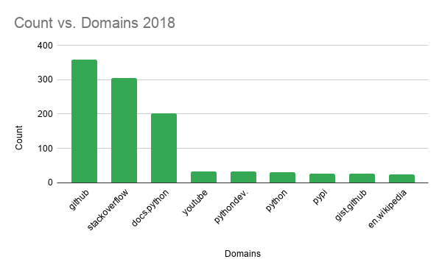
We examine every 10 responses/domain | Define whether we think the responses given after a URL suggestion was positive, negative, or neutral | Starts at Post# 2 |  | Was the response immeadately after the message with the domain relevant? |  | Did the script accurately identify domains?
Post# | Our Postitive (P), Negative (N), or Neutral (N2) | Computer's Sentiment Analysis (Positive, Negative, Neutral) | Comparison (comparing columns C & D) 1= MATCH 0 = NON-MATCH | Response relevancy? (yes/no) |  | Accuracy of Domains (Yes/No)
1 | N2 | P | 0 | yes |  | Yes
10 | P | P | 1 | yes |  | Yes
20 | P | P | 1 | no |  | No
30 | N2 | N2 | 1 | yes |  | Yes
40 | N2 | N | 0 | yes |  | Yes
50 | N | P | 0 | yes |  | Yes
60 | N2 | N2 | 1 | no |  | Yes
70 | N2 | P | 0 | yes |  | Yes
80 | N2 | N | 0 | yes |  | No
90 | N2 | N2 | 1 | no |  | Yes
100 | N | P | 0 | yes |  | No
110 | N | P | 0 | yes |  | No
120 | N2 | N2 | 1 | yes |  | No
130 | N | P | 0 | yes |  | No
140 | N2 | P | 0 | no |  | Yes
150 | N | N | 1 | yes |  | Yes
160 | N2 | P | 0 | yes |  | No
170 | N2 | N | 0 | yes |  | Yes
180 | N | P | 0 | yes |  | Yes
190 | N2 | N | 0 | yes |  | Yes
 |  | ACCURACY of all = | 0.35 | ACCURACY = | 0.8 | ACCURACY = | 0.65
 |  | ACCURACY of relavent = | 0.25

2017 Gold Sets
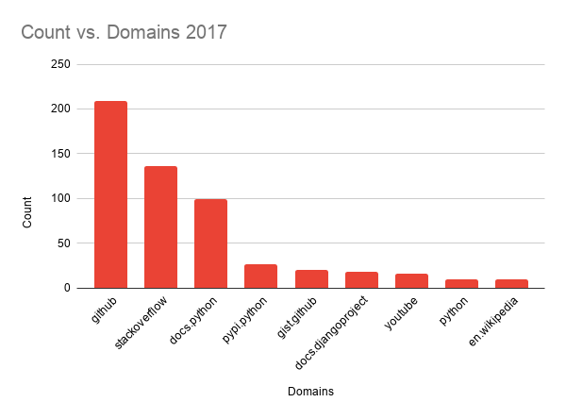
We examine every 10 responses/domain | Define whether we think the responses given after a URL suggestion was positive, negative, or neutral | Starts at Post# 2 |  | Was the response immeadately after the message with the domain relevant? |  | Did the script accurately identify domains?
Post# | Manual Comparison | Computer's Sentiment Analysis (Positive, Negative, Neutral) | Comparison (comparing columns C & D) 1= MATCH 0 = NON-MATCH | Response relevancy? (yes/no) |  | Accuracy of Domains (Yes/No)
1 | P | P | 0 | yes |  | Yes
10 | N2 | N2 | 1 | no |  | Yes
20 | N2 | N2 | 1 | yes |  | Yes
30 | N2 | P | 0 | yes |  | No
40 | N2 | P | 0 | yes |  | Yes
50 | N2 | N2 | 1 | yes |  | No
60 | N2 | N2 | 1 | yes |  | Yes
70 | N2 | P | 0 | yes |  | Yes
80 | N2 | P | 0 | yes |  | Yes
90 | N2 | N2 | 1 | yes |  | Yes
100 | N2 | P | 0 | yes |  | Yes
110 | N2 | N2 | 1 | no |  | No
120 | N | P | 0 | yes |  | Yes
130 | P | P | 1 | yes |  | Yes
140 | P | P | 1 | yes |  | Yes
150 | N | N2 | 0 | yes |  | Yes
160 | N2 | N | 0 | yes |  | Yes
170 | N2 | N2 | 1 | yes |  | Yes
180 | N2 | N2 | 1 | no |  | Yes
190 | N | N | 1 | no |  | No
 |  | ACCURACY of all = | 0.55 | ACCURACY = | 0.8 | ACCURACY = | 0.8
 |  | ACCURACY of relavent = | 0.4375

